Sheet1
TONSILLITIS
CAUSAL ORGANISM: [BACTERIA]- Streptococcus pyogenes [virus]- Adenoviruses, Rhinovirus
BACTERIAL GENE SEQUENCE |  |  |  |  | BACTERIAL PROTEIN SEQUENCE
ACCESSION No | ORGANISM | GENE NAME | SEQUENCE | MSA & PHYLOGENETIC TREE | ACC NO | PROTEIN NAME | SEQUENCE | MSA & PHYLOGENETIC TREE
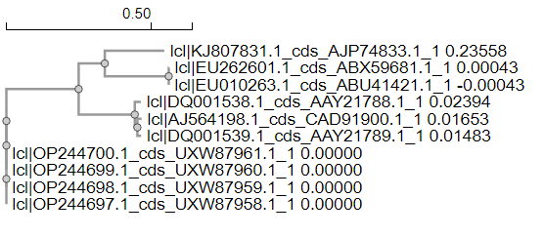
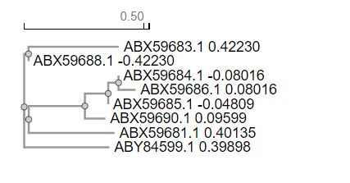
EU262601 | S. pyogenes | emm |  |  | ABX59681 | M PROTEIN
EU262602 | S. pyogenes | emm |  |  | ABX59682 | M PROTEIN
EU262603 | S. pyogenes | emm |  |  | ABX59683 | M PROTEIN
EU262604 | S. pyogenes | Spy1258 |  |  | ABX59684 | Spy1258
EU262605 | S. pyogenes | Spy1258 |  |  | ABX59685 | Spy1258
EU262606 | S. pyogenes | Spy1258 |  |  | ABX59686 | Spy1258
EU262607 | S. pyogenes | Spy1258 |  |  | ABX59687 | Spy1258
EU262608 | S. pyogenes | SmeZ |  |  | ABX59688 | mitogenic exotoxin
EU262609 | S. pyogenes | SmeZ |  |  | ABX59689 | mitogenic exotoxin
EU262610 | S. pyogenes | SmeZ |  |  | ABX59690 | mitogenic exotoxin

